Indices

 | Iraq Stock Exchange
 | Bulletin No (228)

 | ISX Trading Indices of Sunday 21/12/2025

 | Traded Volume and OTC |  | 40,970,872,695 |  | Traded Value and OTC |  | 47,182,978,147 |  | Traders | 989

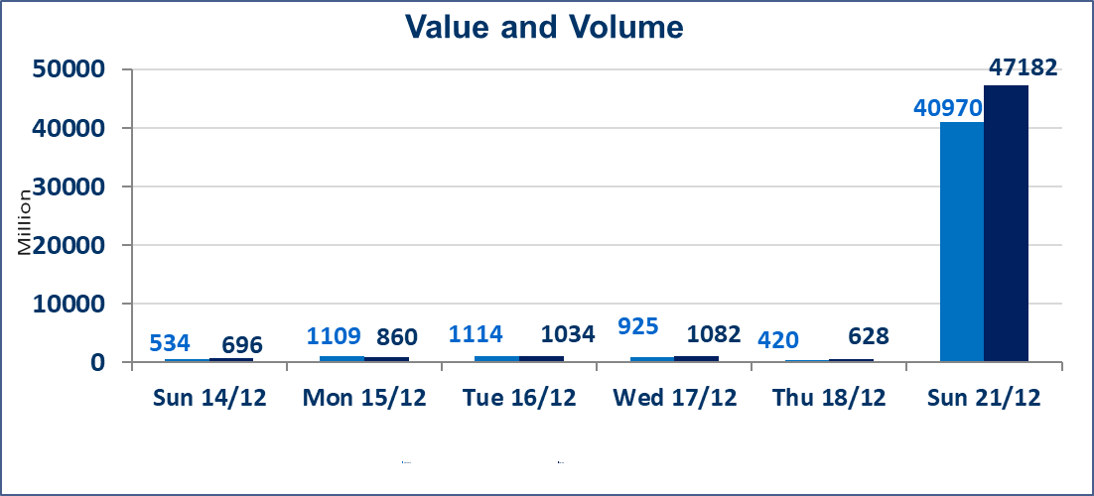
 | ISX Index 60 |  |  | 984.01 | ISX Index 15 |  |  | 1193.71
 | Previous ISX Index60 |  |  | 969.53 | Previous ISX Index15 |  |  | 1187.97
 | Change % |  |  | 1.49 | Change % |  |  | 0.48
 | Change |  |  | 14.48 | Change |  |  | 5.74

 | Listed Companies | 104 | OTC | 15 | Non Traded listed | 36 | OTC | 13
 | Traded Listed Companies | 52 | OTC | 0 | Higher Companies |  |  | 14
 | GAM Companies |  |  | 6 | Lower Companies |  |  | 18
 | Suspended Companies |  |  | 10
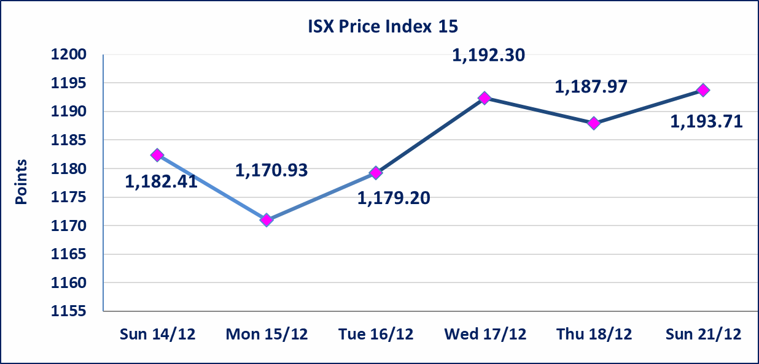

 | special orders | Kurdistan Brokerage Company executed a deliberate cross order on the shares of the Regional Bank Company with a number of shares (39,919,995,000) shares with a value of (39,919,995,000) dinars, during the additional session time (after 1 pm) in accordance with the procedures for executing large transactions.
 | special orders | Al-Karmel Brokerage Company executed a deliberate cross order on the shares of Ishtar Hotel Company with a number of shares (625,892,404) shares with a value of (5,883,388,598) dinars, during the additional session time (after 1 pm) in accordance with the procedures for executing large transactions.
Al-Alwiya P.O . 3607 Mobile: 07711211522 - 07270094594 - 07834000034 E-mail: info-isx@isx-iq.net Web site:www.isx-iq.net

Top 5
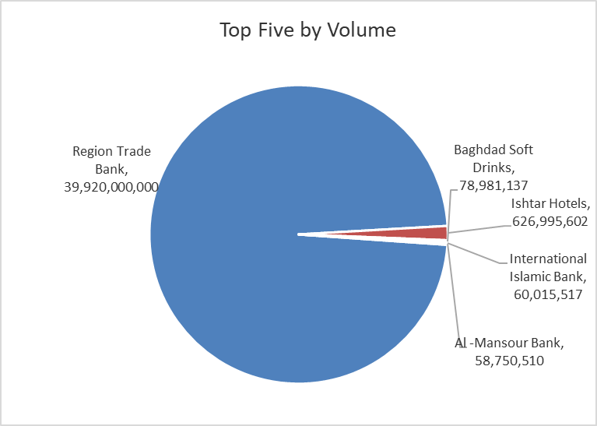
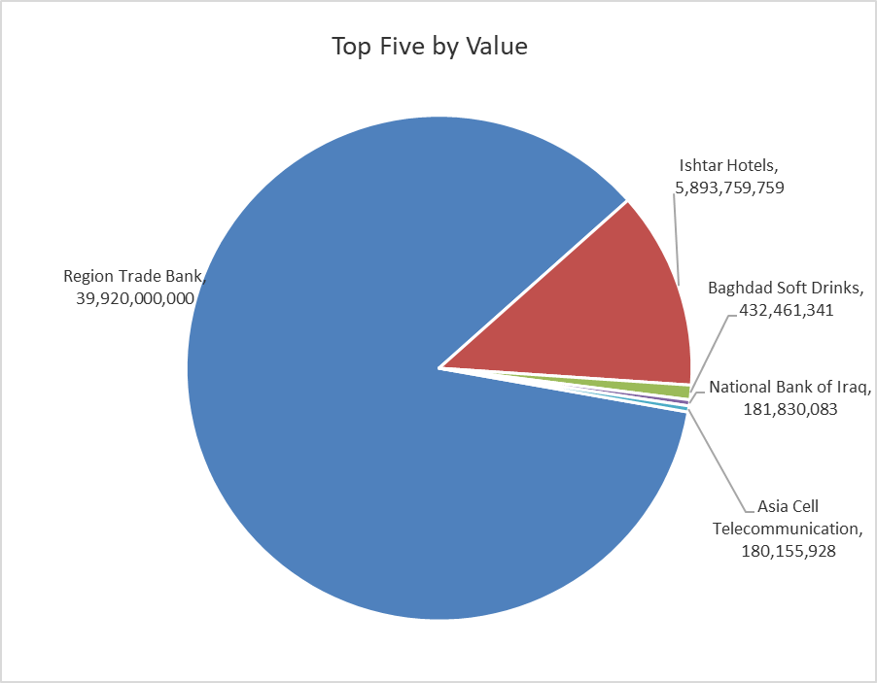
ISX top ganing and losing companies
Sunday 21/12/2025
 | Gainers |  |  |  | Losers
 | Company Name | Closing Price | Change (%) | Traded Volume | Company Name | Closing Price | Change (%) | Traded Volume
 | Iraq Noor Islamic Bank for Investment | 0.180 | 12.50 | 83,333 | AL-Anssari Islamic Bank | 0.130 | -13.33 | 2,000,000
 | Modern Sewing | 5.750 | 7.48 | 561,526 | Mansour Hotel | 45.000 | -10.00 | 1,818,000
 | Baghdad Soft Drinks | 5.700 | 6.15 | 78,981,137 | Metallic Industries and Bicycles | 1.950 | -7.14 | 400,000
 | Iraqi Carton Manufactories | 3.160 | 5.33 | 1,542,601 | Al -Khazer Construction Materials | 1.230 | -4.65 | 431,090
 | Electronic Industry | 2.420 | 4.76 | 2,466,111 | Al-Ameen Estate Investment | 2.190 | -4.37 | 957,256
 | The most active companies in term of traded volume and value

 | Traded Volume |  |  |  | Traded Value
 | Company Name | Closing Price | Change (%) | Traded Volume | Company Name | Closing Price | Change (%) | Traded Value
 | Region Trade Bank | 1.000 | 0.00 | 39,920,000,000 | Region Trade Bank | 1.000 | 0.00 | 39,920,000,000
 | Ishtar Hotels | 9.400 | 0.00 | 626,995,602 | Ishtar Hotels | 9.400 | 0.00 | 5,893,759,759
 | Baghdad Soft Drinks | 5.700 | 6.15 | 78,981,137 | Baghdad Soft Drinks | 5.700 | 6.15 | 432,461,341
 | International Islamic Bank | 0.280 | 0.00 | 60,015,517 | National Bank of Iraq | 4.690 | -2.29 | 181,830,083
 | Al -Mansour Bank | 1.960 | 1.03 | 58,750,510 | Asia Cell Telecommunication | 13.200 | -0.75 | 180,155,928

OTC

Iraq Stock Exchange

Sunday 21/12/2025

Not Trading OTC Companies
Company Name | Code | Previous Average price
Banks Sector
Al-Warka Bank | BWAI | 0.070
Al-Sanam Islamic Bank | BSAN | 3.000
Hammurabi Commercial Bank | BHAM | ـــــــــــــــــــــــــــــــــــ
Industrial Sector
Kirkuk producing constructional materials | IKFP | 1.260
Money Service Sector
Rabee Securities | FRSE | 9.500
Karmal Brokerage | FKSX | 10.000
Ishtar Gate for e-Paymant | FISH | 1.000
Sama Baghdad Exchange | FSBE | ـــــــــــــــــــــــــــــــــــ
Iraqi Deposit Insurance Corporation | FIDI | ـــــــــــــــــــــــــــــــــــ
Insurance Sector
Kurdistan Insurance | NKUI | ـــــــــــــــــــــــــــــــــــ
Al Badia Insurance | NBAD | ـــــــــــــــــــــــــــــــــــ
Shatt Al Arab Insurance | NSHA | 1.000
Dilina Insurance Company | NDIL | ـــــــــــــــــــــــــــــــــــ

Non Iraqis

Iraq Stock Exchange
Non Iraqis' Bulletin Sunday Dec 21 2025
Regular Market

Non Iraqi Trading of Regular Market (Buy)
Company Names | Code | No.of trades | Traded Shares | Trading Volume
Banks Sector
National Bank Of Iraq | BNOI | 9 | 2,629,192 | 12,344,499
Al-Mansour Bank | BMNS | 10 | 34,144,963 | 66,924,127
Total Bank sector |  | 19 | 36,774,155 | 79,268,626
Grand Total |  | 19 | 36,774,155 | 79,268,626

Non Iraqi Trading of Regular Market (Sell)
Company Names | Code | No.of trades | Traded Shares | Trading Volume
Banks Sector
Bank Of Baghdad | BBOB | 9 | 2,375,616 | 8,195,875
Total Bank sector |  | 9 | 2,375,616 | 8,195,875
Grand Total |  | 9 | 2,375,616 | 8,195,875

